Table 1

Selected Acquisition Report (SAR)
RCS: DD-A&T(Q&A)823-378
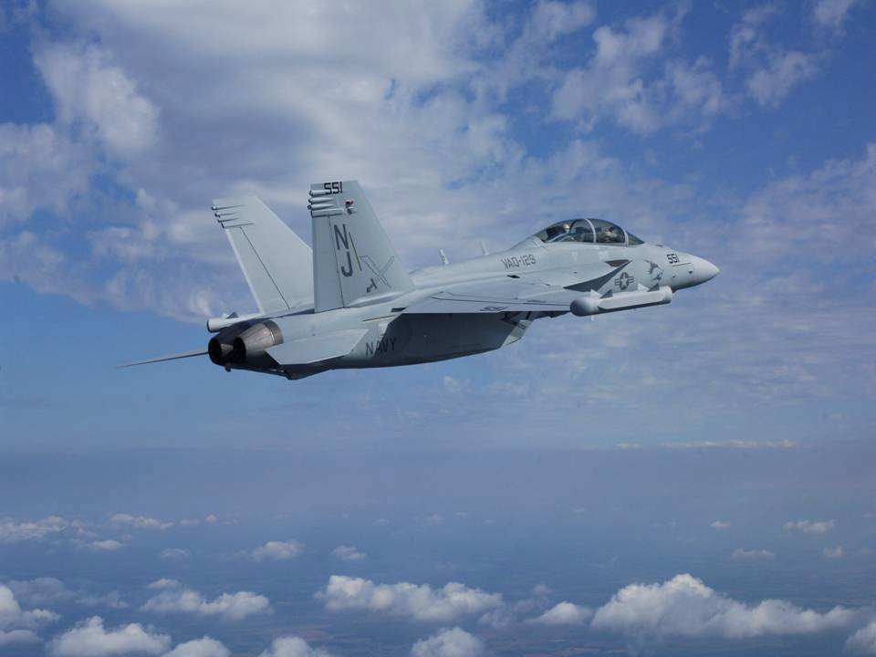
EA-18G Growler Aircraft (EA-18G)
As of FY 2017 President's Budget
Defense Acquisition Management Information Retrieval
(DAMIR)

Table 25
Unit Cost History
Item |  |  |  |  |  |  |  | Date |  |  |  |  | BY 2004 $M |  |  |  |  |  | TY $M
 |  |  |  |  |  |  |  |  |  |  |  |  | PAUC |  | APUC |  |  |  | PAUC |  |  |  |  | APUC

Original APB |  |  |  |  | Dec 2003 |  |  |  |  |  |  |  | 85.140 |  |  | 67.006 |  |  |  |  | 93.573 |  |  |  | 74.600
APB as of January 2006 |  |  |  |  | Dec 2003 |  |  |  |  |  |  |  | 85.140 |  |  | 67.006 |  |  |  |  | 93.573 |  |  |  | 74.600
Revised Original APB |  |  |  |  | N/A |  |  |  |  |  |  |  | N/A |  |  | N/A |  |  |  |  | N/A |  |  |  | N/A
Prior APB |  |  |  |  | Jan 2010 |  |  |  |  |  |  |  | 90.989 |  |  | 71.149 |  |  |  |  | 103.828 |  |  |  | 82.449
Current APB |  |  |  |  | Feb 2011 |  |  |  |  |  |  |  | 88.175 |  |  | 73.068 |  |  |  |  | 101.317 |  |  |  | 85.033
Prior Annual SAR |  |  |  |  | Dec 2014 |  |  |  |  |  |  |  | 81.188 |  |  | 68.401 |  |  |  |  | 95.968 |  |  |  | 81.672
Current Estimate |  |  |  |  | Dec 2015 |  |  |  |  |  |  |  | 82.418 |  |  | 69.031 |  |  |  |  | 97.952 |  |  |  | 82.682
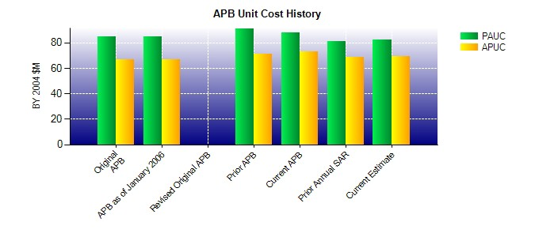
SAR Unit Cost History
Initial SAR Baseline to Current SAR Baseline (TY $M)
Initial PAUC Development Estimate | Changes |  |  |  |  |  |  |  |  |  |  |  |  |  |  |  |  |  |  |  |  |  | PAUC Production Estimate
 | Econ |  | Qty |  |  | Sch |  |  | Eng |  | Est |  |  | Oth |  |  | Spt |  |  | Total
93.573 4.150 1.442 -0.319 0.947 -0.348 0.000 3.369 9.241 102.814
Current SAR Baseline to Current Estimate (TY $M)
PAUC Production Estimate |  | Changes |  |  |  |  |  |  |  |  |  |  |  |  |  |  |  |  |  |  |  | PAUC Current Estimate
 |  | Econ |  | Qty |  |  | Sch |  |  | Eng |  | Est |  | Oth |  | Spt |  | Total
102.814 -0.522 -11.764 -0.082 1.062 -2.048 0.000 8.492 -4.862 97.952

